Read Me
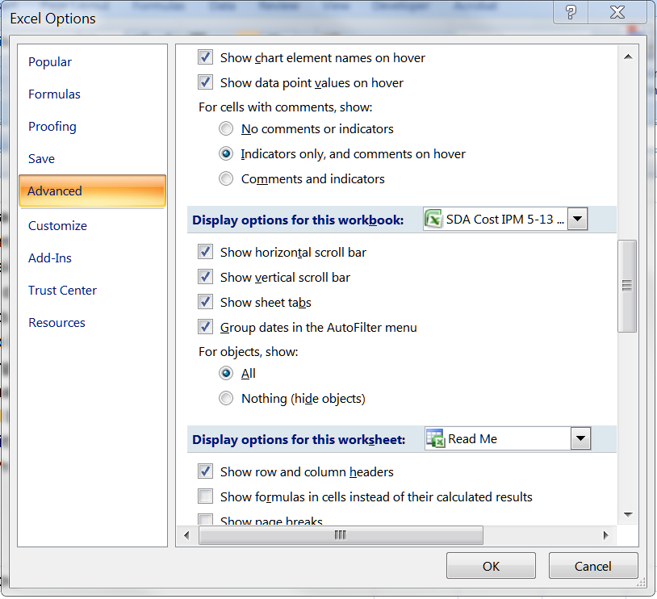
The "IPM WB 1 - 0.65 lb" and the "IPM WB 1 - 2 lb" tabs of this spreadsheet are adapted from the Sargent and Lundy cost algorithms documentation for a SDA FGD installation, as incorporated in version 5.13 of the IPM model. These tabs are used to calculate correction factors to the annualized costs to account for Entergy having costed scrubber systems for the White Bluff units assuming coal with a much higher sulfur content than has historically been burned. The "Source" tab lists the origination of these cost algorithms and other information used in this spreadsheet. These tabs include a further correction recommended on page 2 of the Sargent and Lundy documentation, but not included in the actual cost algorithms - an adjustment to the base absorber island and balance of plant costs due to atmospheric pressure changes with elevation.
Emissions data downloaded from our Air Markets Program Data are included in the "Annual Emissions" and "Monthly Emissions" tabs as an aid in choosing some input values.
The "Entergy Costs" tabs summarizes those costs we propose are either undocumented or disallowed.
The "Cost Effectiveness" tab first applies corrections to the costs in the "Entergy Costs" tab, generated from the information in the "IPM WB 1 - 0.65 lb" and the "IPM WB 1 - 2 lb" tabs. It then calculates the annualized costs for SDA a the White Bluff Units.
See the "AR Cost TSD" file for details on how the above information has been used.
For the IPM tabs, user must have "show objects" selected in Excel's options for the drop down menus to work:

